1-Educated Guess
displacement | mpg | horsepower | weight | acceleration |  | 1: How can we predict or model a new value?
304 | 9 | 193 | 4732 | 18.5 |  | 2: What would be a best guess for a random new value in a given field?
360 | 10 | 215 | 4615 | 14 |  | 3: How does introducing a correlated field change our prediction?
307 | 10 | 200 | 4376 | 15
318 | 11 | 210 | 4382 | 13.5 |  |  |  |  | 1
454 | 14 | 220 | 4354 | 9 |  | mpg | count |  | 2
440 | 14 | 215 | 4312 | 8.5 |  | 9 | 1 | =COUNTIF($A$2:$A$30,G7) | 3
455 | 14 | 225 | 4425 | 10 |  | 10 | 2 |  | 4
340 | 14 | 160 | 3609 | 8 |  | 11 | 1 |  | 5
455 | 14 | 225 | 3086 | 10 |  | 14 | 5 |  | 2
350 | 15 | 165 | 3693 | 11.5 |  | 15 | 5 |  | 4
429 | 15 | 198 | 4341 | 10 |  | 16 | 1 |  | 5
390 | 15 | 190 | 3850 | 8.5 |  | 17 | 1 |  | 1
383 | 15 | 170 | 3563 | 10 |  | 18 | 3 |  | 3
400 | 15 | 150 | 3761 | 9.5 |  | 21 | 2
304 | 16 | 150 | 3433 | 12 |  | 24 | 2
302 | 17 | 140 | 3449 | 10.5 |  | 25 | 2
307 | 18 | 130 | 3504 | 12 |  | 26 | 2
318 | 18 | 150 | 3436 | 11 |  | 27 | 1
199 | 18 | 97 | 2774 | 15.5
200 | 21 | 85 | 2587 | 16 |  |  | Graph
199 | 21 | 90 | 2648 | 15
198 | 22 | 95 | 2833 | 15.5
113 | 24 | 95 | 2372 | 15
107 | 24 | 90 | 2430 | 14.5
110 | 25 | 87 | 2672 | 17.5
104 | 25 | 95 | 2375 | 17.5
97 | 26 | 46 | 1835 | 20.5
121 | 26 | 113 | 2234 | 12.5
97 | 27 | 88 | 2130 | 14.5

455.00 | 27.00 | 225.00 | 4732.00 | 20.50 | MAX
97 | 9 | 46 | 1835 | 8 | MIN
281.41 | 17.69 | 147.83 | 3372.79 | 12.95 | AVG

1- Correlation
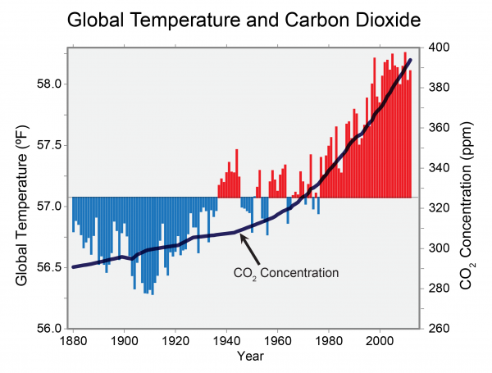
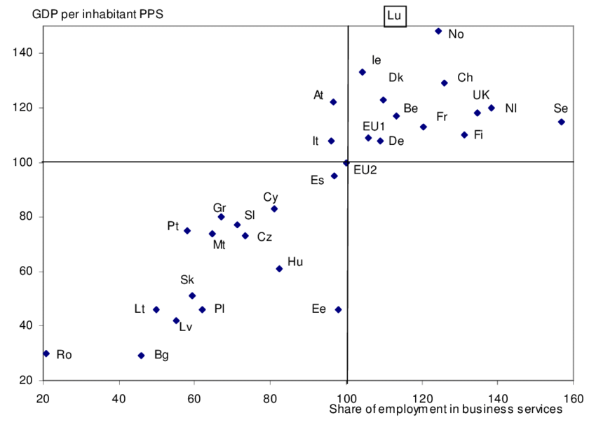

1-Spurious Correlation
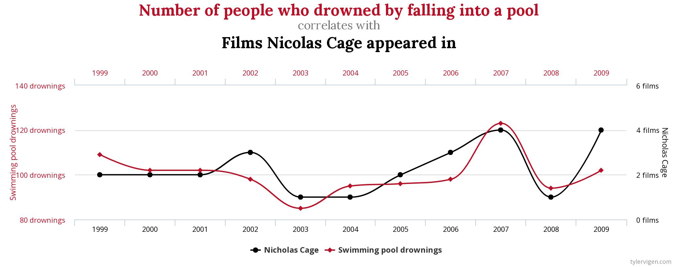
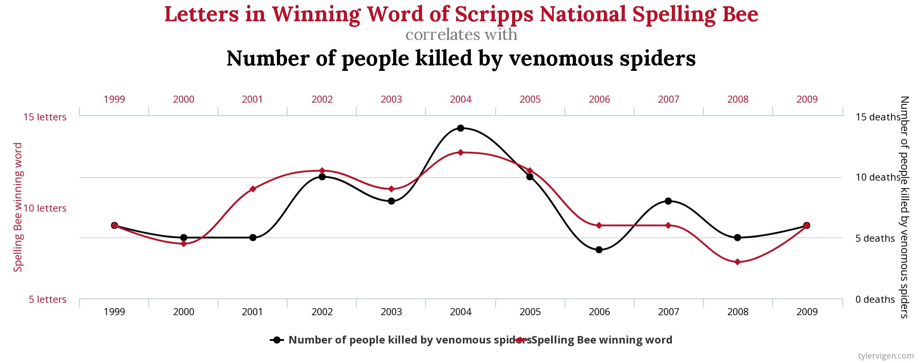

1-Educated Guess 2
displacement | mpg | horsepower | weight | acceleration |  | 1: How can we predict or model a new value?
304 | 9 | 193 | 4732 | 18.5 |  | 2: What would be a best guess for a random new value in a given field?
360 | 10 | 215 | 4615 | 14 |  | 3: How does introducing a correlated field change our prediction?
307 | 10 | 200 | 4376 | 15
318 | 11 | 210 | 4382 | 13.5
454 | 14 | 220 | 4354 | 9
440 | 14 | 215 | 4312 | 8.5
455 | 14 | 225 | 4425 | 10
340 | 14 | 160 | 3609 | 8
455 | 14 | 225 | 3086 | 10
350 | 15 | 165 | 3693 | 11.5
429 | 15 | 198 | 4341 | 10
390 | 15 | 190 | 3850 | 8.5
383 | 15 | 170 | 3563 | 10
400 | 15 | 150 | 3761 | 9.5
304 | 16 | 150 | 3433 | 12
302 | 17 | 140 | 3449 | 10.5
307 | 18 | 130 | 3504 | 12
318 | 18 | 150 | 3436 | 11
199 | 18 | 97 | 2774 | 15.5
200 | 21 | 85 | 2587 | 16
199 | 21 | 90 | 2648 | 15 |  |  | horsepower = 0.3884 * displacement + 38.522)
198 | 22 | 95 | 2833 | 15.5 |  |  | y=mx + b
113 | 24 | 95 | 2372 | 15 |  |  | 57.942
107 | 24 | 90 | 2430 | 14.5
110 | 25 | 87 | 2672 | 17.5
104 | 25 | 95 | 2375 | 17.5
97 | 26 | 46 | 1835 | 20.5
121 | 26 | 113 | 2234 | 12.5
97 | 27 | 88 | 2130 | 14.5
455.00 | 27.00 | 225.00 | 4732.00 | 20.50 | MAX
97 | 9 | 46 | 1835 | 8 | MIN
281.41 | 17.69 | 147.83 | 3372.79 | 12.95 | AVG

2-Line
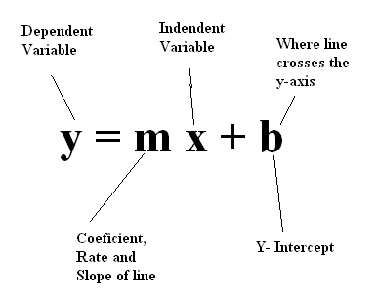

2-Line Concept
Correlation
x (independent) | y (dependent)
0 | 6
1 | 7
2 | 8
3 | 9
4 | 10
5 | 11
6 | 12
7 | 13
8 | 14
9 | 15
10 | 16

4-Regression Concept
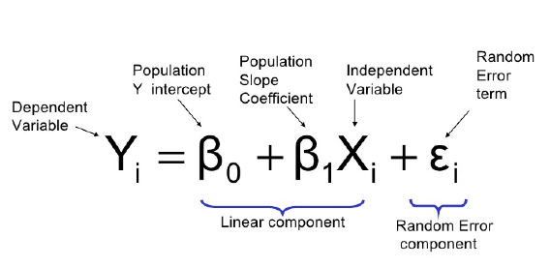
Y=MX+B |  |  |  | Linear Regression Formula
X-Coordinate | Slope | Y-intercept | Y-coordinate
x | m | b | y
0 | 5 | 6 | 6
1 | 5 | 6 | 11
2 | 5 | 6 | 16
3 | 5 | 6 | 21
4 | 5 | 6 | 26
5 | 5 | 6 | 31 | Y = a + bx

6 | 5 | 6 | 36
7 | 5 | 6 | 41
8 | 5 | 6 | 46
9 | 5 | 6 | 51
10 | 5 | 6 | 56

 |  |  |  | R2 is a statistical measure that represents the proportion of the variance for a dependent variable that's explained by an independent variable or variables in a regression model
 |  |  |  | Linear Regression Playlist: | https://www.youtube.com/watch?v=dQNpSa-bq4M&list=PLIeGtxpvyG-IqjoU8IiF0Yu1WtxNq_4z-

In statistics, simple linear regression is a linear regression model with a single explanatory variable
That is, it concerns two-dimensional sample points with one independent variable and one dependent variable
and finds a linear function (a non-vertical straight line) that, as accurately as possible, predicts the dependent variable values as a function of the independent variable.
The adjective simple refers to the fact that the outcome variable is related to a single predictor.

R2 is a statistical measure that represents the proportion of the variance for a dependent variable that's explained by an independent variable or variables in a regression model

